1. Title Page
Instacart Grocery Basket Analysis

Project Name: Instacart Grocery Basket Analysis
Date: 1/2023
Analyst Name: Justin Smith

Contents:
Population Flow
Consistency checks
Wrangling steps
Column derivations
Visualizations
Recommendations

References:
List of regions of the United States - Simple English Wikipedia, the free encyclopedia
“The Instacart Online Grocery Shopping Dataset 2017”, Accessed from https://www.instacart.com/datasets/grocery-shopping-2017 on 1-24-2023

2. Population Flow
Population flow

Exclusion flag
Condition: max_order < 5
Obervations to be removed: 1440295
Final total count of order_products_all: 32404859, 32

Orders_products_combined
Orders_products_merged
Orders_products_all

Total: 32404859, 15
Total: 32404859, 32
Total: 32434489, 11

1.) The grey boxes in the first row of the population flow represent the original data sets as they were when you downloaded them. In the Total fields you need to add the count of the rows when you imported the data set into Jupyter.
2.) The second row of boxes (coloured) represents the data sets after you manipulated them, e.g., removed missing values and duplicates. In the Total fields you need to add the count of the rows after conducting these operations. This offers a visual oveview of how the data flows throughout the data consistency checks.
3.) The third row, where also the arrows are coloured, represents the merges you performed between the datasets. In the Total fields you need to add the count of the rows in the merged datasets, so that you end up with the final dataset (in the red box). Keep in mind the final dataset should be without exclusions (based on the exclusion flag).

3. Consistency checks
Consistency checks

Dataset | Missing values | Missing values treatment | Duplicates
orders | days_since_prior_order: 206,209 | I kept the values because they were the values from new customer's first order. | None
products | product_name: 16 | I deleted the 16 rows. | Deleted 5 duplicate rows.
orders_products_prior | none | N/A | none
customers | first_name | I kept it as it was because I would eventually eliminate names all together for privacy.

4. Wrangling steps
Wrangling steps

Columns dropped | Columns renamed | Columns' type changed | Comment/Reason
eval_set |  |  | Contained No Useful information
first_name |  |  | Contained Personal information
last_name |  |  | Contained Personal information
_merge |  |  | Contained No Useful information
 | order_dow : order_day_of_week |  | To clarify what the column is representing
 | STATE: state |  | To maintain consistency
 | Age: age |  | To maintain consistency
 |  | order_hour_of_day: string to integer | TO make every value the same type

5. Column derivations
Column derivations and aggregations

In this tab you should add tables below that the frequences of flags/label variables that you produced after deriving them. NB: don't do this for continuous variables, only for flags.
Dataset | New column | Column/s it was derived from | Conditions
ords_prods_merged_added_columns | price_range_loc | prices | "prices" > 15 = "High-range product"
 |  |  | 5 > '"prices" <=15 = "Mid-range product"
 |  |  | "prices" < 5= = "Low-range product"
 | busiest_day | count(order_dow) | if order_dow = 0 ="Busiest day"
 |  |  | if order_dow = 4 = "Least busy"
 |  |  | else = "Regularly busy"
 | busiest_days | count(order_dow) | if order_dow = 0 or 1 ="Busiest days"
 |  |  | if order_dow = 4 or 3 = "Least busy days"
 |  |  | else = "Regularly busy"
 | busiest_period_of_day | count(order_hour_of_day) | if order_hour_of_day = 10, 11, 14, 15, 13, 12, 16, or 19 = "Most orders"
 |  |  | if order_hour_of_day = 17, 8, 18, 19, 20, 7, 21, or 22 = "Average orders"
 |  |  | if order_hour_of_day = 23, 6, 0, 1, 5, 2, 4, or 3 = "Fewest orders"
 |  |  | else = "Not Enough Info"
orders_products_merged_after_exercise_4_8 | max_order | user_id, order_number | Aggregates a column for max order_number for each user
 | loyalty_flag | max_order | max_order > 40 = "Loyal customer"
 |  |  | 10 < max_order <= 40 = "Regular customer"
 |  |  | max_order <= 10 = "New customer"
 | average_spent_per_order | user_id, prices | aggregates a column for max order_number for each user
 | spender_flag | average_spent_per_order | average_spent_per_order < 10 = "Low Spender"
 |  |  | average_spent_per_order >= 10 = "High Spender"
 | median_dspo | days_since_prior_order, user_id | Creates a column for median dspo for each user
 | frequency_flag | median_dspo | median_dspo > 20 = "Non-frequent customer"
 |  |  | 10 < median_dspo <= 20 = "Regular customer"
 |  |  | median_dspo <= 10 = "Frequent customer"
4_10final | region | state | Used the wikipedia article to place each state in a designated region
 | income_category | income | 0 <= "lowest" < 30000
 |  |  | 30000 <= "lower_middle" < 50000
 |  |  | 50000 <= "middle" < 100000
 |  |  | 100000 <= "upper_middle" < 350000
 |  |  | 350000 <= "Rich"
 | age_category | age | 18 <= "college_age_adult" < 24
 |  |  | 24 <= "young_adult" < 35
 |  |  | 35 <= "middle_age_adult" < 50
 |  |  | 50 <= "Senior Middle Age" < 65
 |  |  | 65 <= "Senior"
 | department | department_id, dep_dictionary | Column inputs department name according to department_id
 | household_status | n_dependents | n_dependents <=0 = "No Dependents"
 |  |  | n_dependents > 0 = "Has Dependents"

6. Visualizations
Visualisations

Question: The sales team needs to know what the busiest days of the week and hours of the day are (i.e., the days and times with the most orders) in order to schedule ads at times when there are fewer orders.


Order Frequency Per Day
Busiest Days of the Week:
 | Legend:
 | 0 = Saturday
 | 1 = Sunday
 | 2 = Monday
 | 3 = Tuesday
 | 4 = Wednessday
Total Orders (in millions)
 | 5 = Thursday
 | 6 = Friday

 | Result:
 | The order of busiest to least busiest days is Saturday, Sunday, Friday, Monday, Thursday, Tuesday, Wednessday.

Day of Week

Busiest Hour of the Week:
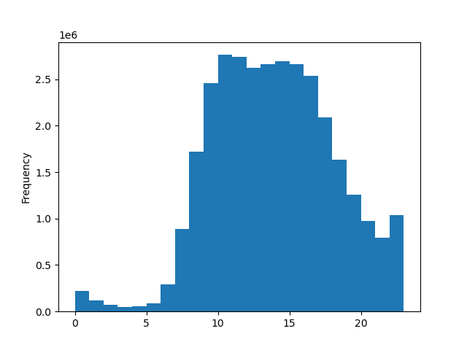
Order Frequency Per Hour Of Day

 | Result:
 | Customers place orders at all times; However, most orders take place between 8AM and 4PM. Outside of those times orders fall to their lowest frequency.

Total Orders (in millions)

Question: They also want to know whether there are particular times of the day when people spend the most money, as this might inform the type of products they advertise at these times.

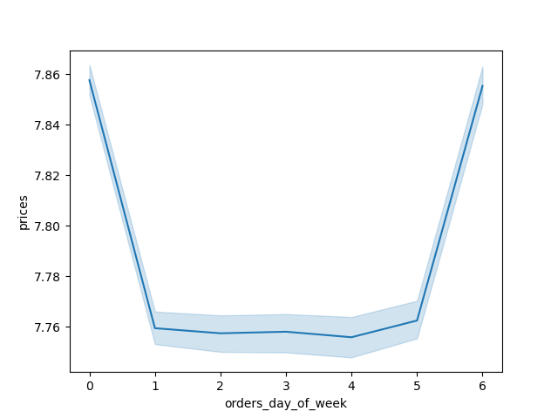
Average Price of Orders Throughout the Week:
 | Legend:
 | 0 = Saturday
 | 1 = Sunday
 | 2 = Monday
 | 3 = Tuesday
 | 4 = Wednessday
 | 5 = Thursday
 | 6 = Friday

 | Result:
 | The price of orders seems to be at the highest on Saturday and Friday. The other days are on average consistently lower.

Average Price of Orders Throughout the Day:
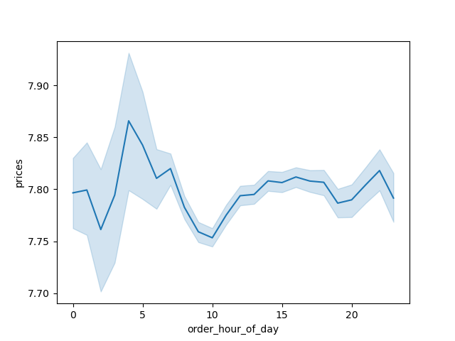

 | Result:
 | Orders around 4AM seem to be the highest on average. Orders are on average the lowest around 9AM.

Question: Instacart has a lot of products with different price tags. Marketing and sales want to use simpler price range groupings to help direct their efforts.

Price Frequency of Products:


 | Result:
 | Most products are priced between $1-$15. It would be helpful to use price ranges within that range and then a 15+ price range to cover outlier products.

Price of Product

Question: Are there certain types of products that are more popular than others? The marketing and sales teams want to know which departments have the highest frequency of product orders.

Product count sold by department and income_category | Product count sold by department
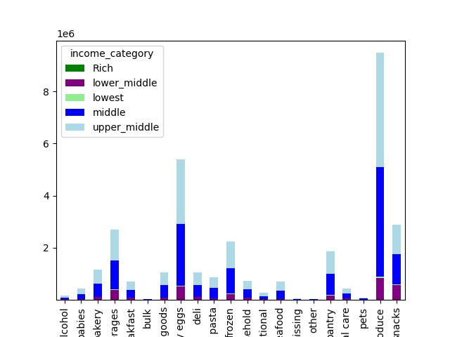
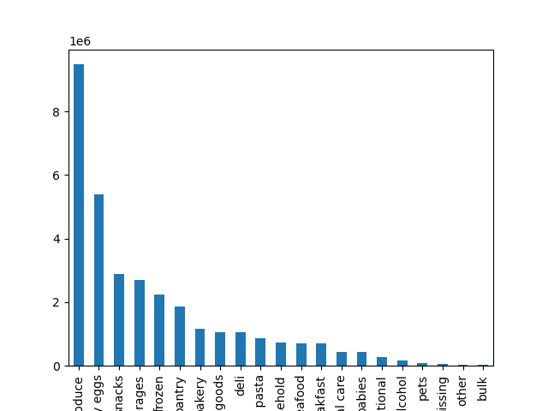

Product count sold by department and age_category.
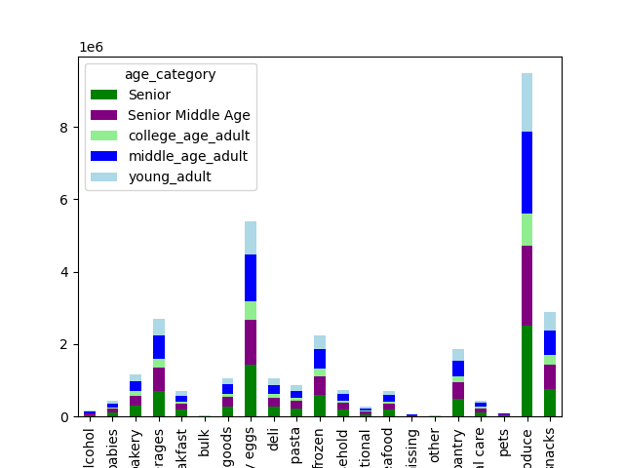
 | Result:
 | The most popular department is produce. The next most popular departments are dairy and eggs, snacks, beverages, and frozen.

Question: The marketing and sales teams are particularly interested in the different types ofcustomers in their system and how their ordering behaviors differ.

Household Status of Customers | Number of Dependents by Age
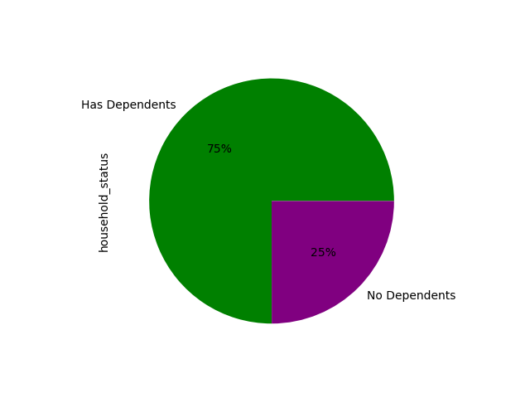
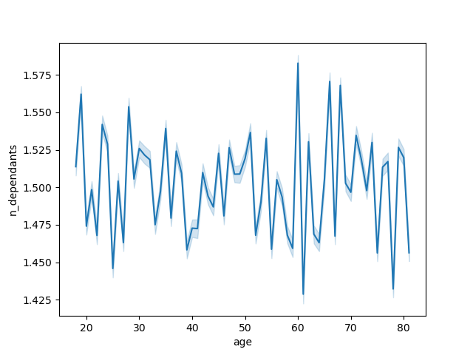

Household Status by Region | Household Status Department Share
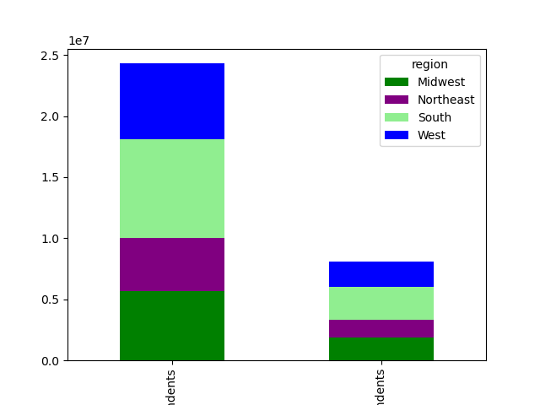
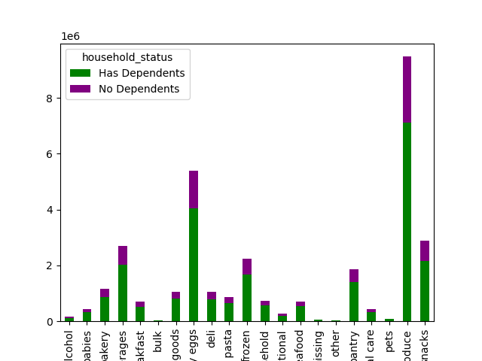

Has Dependents
No Dependents

Total Customers by Age Group | Total Customers by Age Group and Region
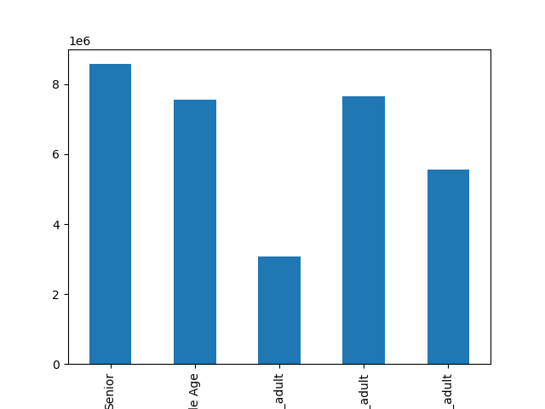
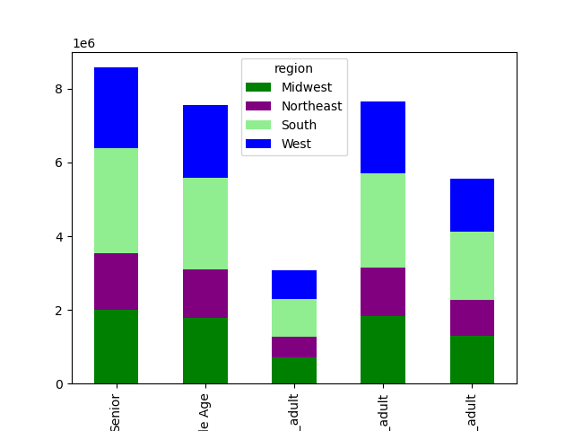

Senior
Senior
Middle Age
College Age Adult
Middle Age
Adult
Young
Adult
Senior
Senior
Middle Age
College Age Adult
Middle Age
Adult
Young
Adult

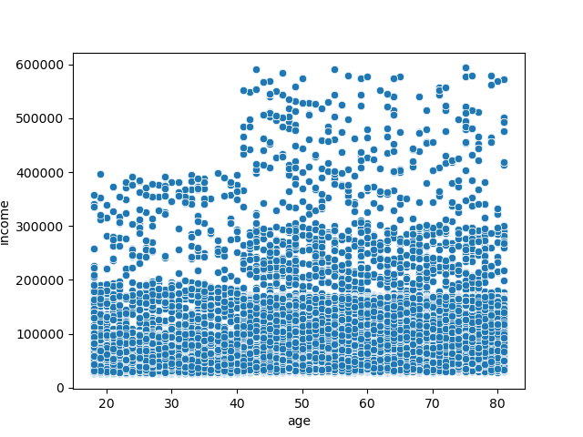
Age Income Distribution
 | Total Customers by Income Category and Region
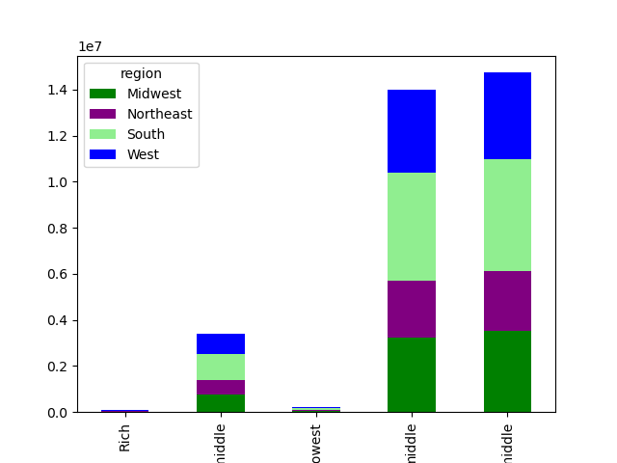

Rich
Lower
Middle
Lowest
Middle
Upper
Middle

Total Customers by Loyalty | Total Customers by Income Category
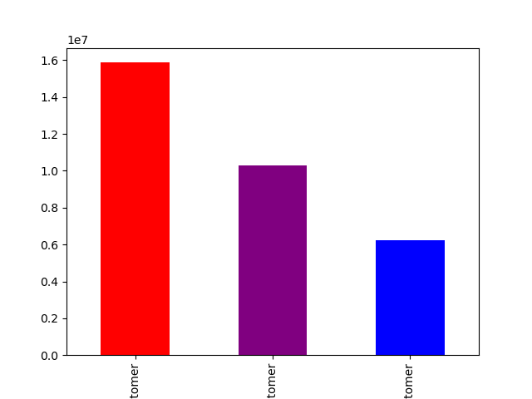
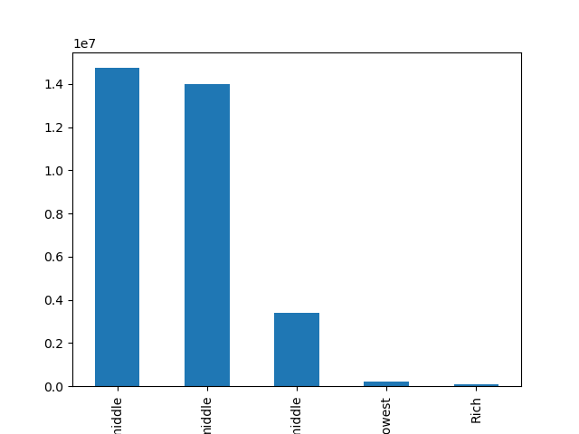

Regular Customer
Loyal Customer
New Customer
Upper
Middle
Middle
Lower
Middle
Lowest
Rich

Results:
The majority of customer's income falls between $50,000 and $350,000. Most customers are older than 35. The majority of customers have dependent(s). Regular and Loyal customers outnumber new customers.

7. Recommendations
Recommendations

In this tab you should include any recommendations you would made to Instcart in terms of their marketing strategy based on the questions posed in the brief. Every key question has been covered in the Tasks of the Exercises - here you need to add an item - a visualisation or table/crosstable that is showing the answer in the data, acompanied by a comment from you. Please, list the questions below and add the answer underneath.

Question
1.The sales team needs to know what the busiest days of the week and hours of the day are (i.e., the days and times with the most orders) in order to schedule ads at times when there are fewer orders.
2.They also want to know whether there are particular times of the day when people spend the most money, as this might inform the type of products they advertise at these times.
3.Instacart has a lot of products with different price tags. Marketing and sales want to use simpler price range groupings to help direct their efforts.
4.Are there certain types of products that are more popular than others? The marketing and sales teams want to know which departments have the highest frequency of product orders.
5.The marketing and sales teams are particularly interested in the different types of customers in their system and how their ordering behaviors differ
6.What different classifications does the demographic information suggest? Age? Income? Certain types of goods? Family status?
7.What differences can you find in ordering habits of different customer profiles? Consider the price of orders, the frequency of orders, the products customers are ordering, and anything else you can think of.

Order Frequency Per Day
Answers
1 | Busiest Days of the Week:
The busiest days are Saturday and Sunday with 5-6 million orders. The rest of the week is consistent around 3-4 million orders a day. During a day, orders begin to ramp up at about 8AM and after 6 PM dip to below the average. From 9AM to 4PM orders are at their highest. Outside of this time range orders are relatively low. It would be best to schedule the ads outside of the aforementioned busy hours. |  | Legend:
 |  | 0 = Saturday
 |  | 1 = Sunday
 |  | 2 = Monday
 |  | 3 = Tuesday
 |  | 4 = Wednessday
Total Orders (in millions)
 |  | 5 = Thursday
 |  | 6 = Friday

Day of Week

 | Busiest Hour of the Week:
Order Frequency Per Hour Of Day

Total Orders (in millions)

2 | Average price of order by hour
Orders from 3-4AM is when the average price for an order is the highest. It is at its lowest at 10AM and 2-3AM. It would be advised to advertise more expensive products between 3-4AM when people are more receptive to spending more money. Outside of 3-4AM, 10AM, and 2-3AM, average price is similar.

 | Price Frequency of Products:
3
Most products are priced between $1 and $15 dollars. It would be good for the price ranges to be set in increments of 5 until 15. Then the price category can be $15+ due to the low quantity of products sold at that price.

Price of Product

 | Product count sold by department
4
Produce is by far the most popular product department. The departments that follow produce are: Dairy and eggs, snacks, beverages, frozen, and pantry.

5-7 | Total Customers by Loyalty
I recommend investing in creating more loyal customers. Currently "regular customers" are the largest group. It would be good to implement a rewards system to encourage "regular customers" to stick around and become "loyal customers with time." It would also be good to invest heavily in getting new customers as it is is the smallest group.

Regular Customer
Loyal Customer
New Customer

 | Total Customers by Income Category
Most customers belong to the Upper Middle and middle financial class. It can be assumed that these to financial classes are most likely to use instacart. It would be smart to focus on these two classes of individuals for outside marketing. This should bring in the largest number of individuals.

Upper
Middle
Middle
Lower
Middle
Lowest
Rich

 | Household Status of Customers
The household status of most customers has dependents. It would be good for people with different household statuses to receive different ads. For example, quantity deals will be more effective to larger households, whereas individual item deals will be more applicable to households without dependents.

